Sheet1
Excess Inventory - Silicone

Product Code | Product | Detailed Description | Product Measurements | Image | Additional Product Image | Parts | Inner Packaging | Outer Packaging | Inner Carton Label | Inner Carton Marks | Outer Carton Marks (Front) | Outer Carton Marks (Side) | User Manual | Quantity | Barcode | In which stores sold in UK | Pallet Qty | Total Pallets | BBD | Does it have English Writing? | What Country was it Produced in? | MOQ
76/000/002 | OneLine General Purpose Silicone - Clear | OneLine® general purpose silicone is a one-part, acetoxy cure, high quality, versatile silicone sealant that exhibits outstanding bonding properties. It has excellent weathering resistance, durability, sealing and adhesive properties. For general applications such as glass & glazing’s, baths & kitchens, doors & windows, and construction. | 280ml Cartridge | 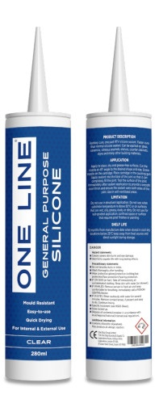 | 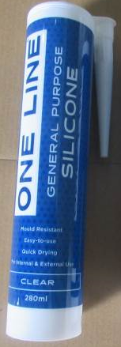 | 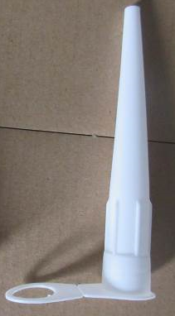 | 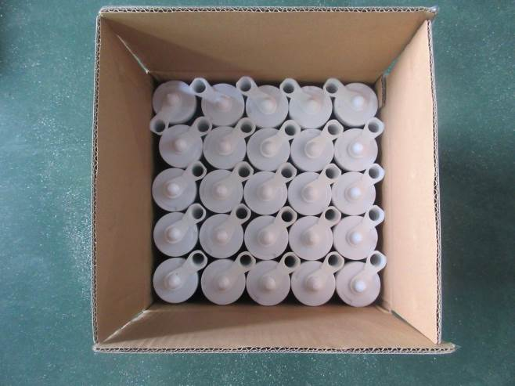 | 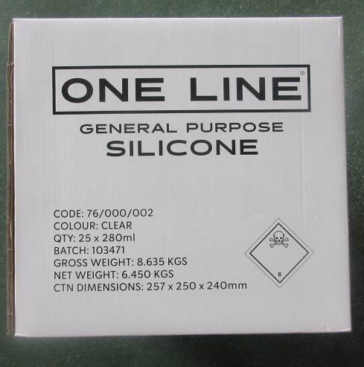 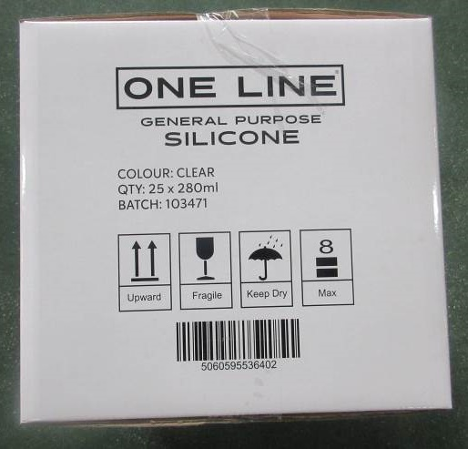 | N/A | N/A |  |  | N/A | 34,034 | Yes - 5060595536402 | N/A | 2000 | 17.017 | 34,034 x 12/09/2024 | Yes | China
76/000/004 | OneLine General Purpose Silicone - White | OneLine® general purpose silicone is a one-part, acetoxy cure, high quality, versatile silicone sealant that exhibits outstanding bonding properties. It has excellent weathering resistance, durability, sealing and adhesive properties. For general applications such as glass & glazing’s, baths & kitchens, doors & windows, and construction. | 280ml Cartridge | 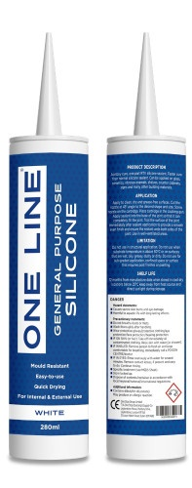 |  |  |  | 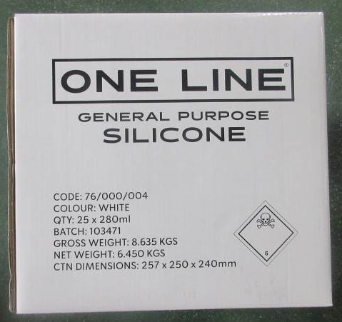 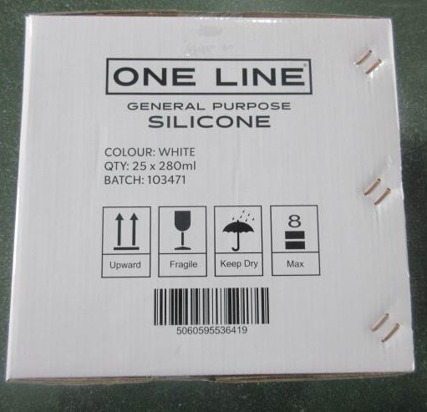 | N/A | N/A |  |  | N/A | 28,676 | Yes - 5060595536419 | N/A | 2000 | 14.338 | 19.926 x 06/05/2024 8,750 x 12/09/2024 | Yes | China

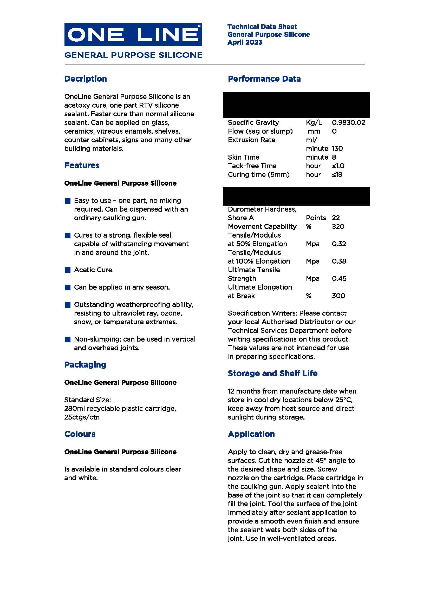
 |  |  |  |  |  |  |  |  |  |  |  |  |  | 62,710
